Sheet1
 |  |  | 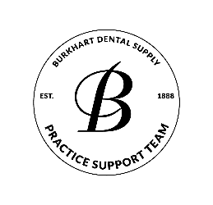
PERIO PROGRAM EVALUATION
DATA RETRIEVED FROM 12-MONTH PROCEDURE CODE REPORT
Fill in "Number of Procedures Provided" Column Only

CDT code | Number of Procedures Provided | % of Total Treatment Procedures | Goal
1110 prophy |  | #DIV/0! | 50-60%

4346 scaling in the presence of gingival inflammation
4910 perio maintenance |  | #DIV/0! | 30-40%
4341 root planing 4 or more teeth per quadrant |  | #DIV/0! | 10-20%
4342 root planing 1-3 teeth per quadrant
Total | 0 | 100%

